HRV
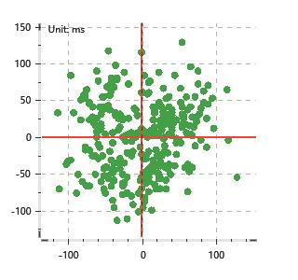
Data Info
 | Recording | 正式实验9
 | Subject | 梁浩
 | Create Time | 2023-11-24 15:33:22.914
 | Data Name | Chest1 ECG
 | Data Type | ECG
 | Sample Rate | 512
 | Segment | 后静息态
 | Start Time | 0:57:29
 | End Time | 1:02:29
 | Duration | 0:05:00

Replay Chart
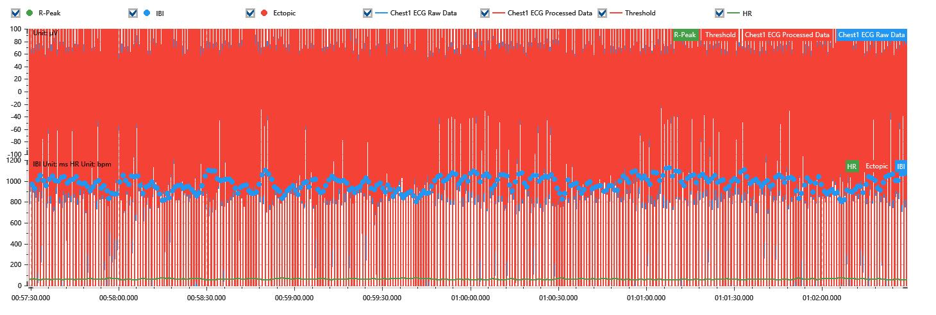

Process parameters
 | Filters
 | Wavlet filter | Enabled | 中
 | Amplitude normalization | Disabled | 中
 | High Pass filter | Enabled | 1μV
 | Band Stop filter | Enabled | 50μV
 | Low Pass filter | Enabled | 100μV
 | Interbeat Interval
 | R-Peak extraction | Maximum heart rate | 120bpm
 | R-Peak extraction | Threshold | 70%
 | Extopic detection | Percent | Disabled | 20%
 | Extopic detection | Median | Enabled | 4(samples)
 | Extopic correction | 中值 | 5(samples)

Time Domain
 | MeanIBI | MeanHR | SDNN | SDANN | RMSSD | SDSD | PNN50 | PNN20 | Data Length
 | 969.49ms | 62bpm | 69.09ms | 0ms | 48.15ms | 48.23ms | 34.53% | 73.94% | 308

Frequency Domain
 | Band | Range | Power | Power Percent | Power Normalized | Peak | Data Length
 | ULF | 0 - 0.0033Hz | 178.99ms² | 3.9% | 0 | 0Hz | 4
 | VLF | 0.0033 - 0.04Hz | 1802.49ms² | 39.26% | 0 | 0Hz | 37
 | LF | 0.04 - 0.15Hz | 1667.99ms² | 36.33% | 0.64 | 0.04Hz | 113
 | HF | 0.15 - 0.4Hz | 941.55ms² | 20.51% | 0.36 | 0.17Hz | 256

 | Total Power | 4591.02ms² | LF/HF | 1.77 | VLF/ULF | 0.1
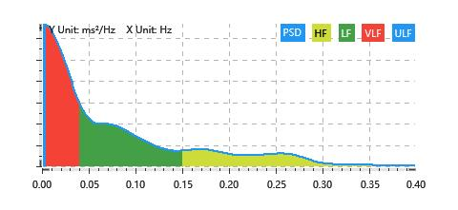

Nonlinear
 | Poincare | SD1 | 34.1ms | SD2 | 91.57ms
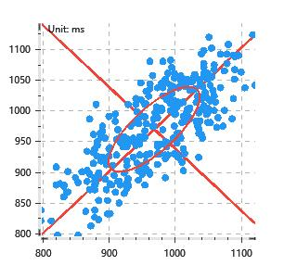

 | Scatter | A++ | 94 | B-- | 64

